TRAIN-TEST-SPLIT
TRAIN-TEST-SPLIT's Hyper Parameters , Attributes & Methods

⇰REFERENCE (WEBSITE)-->Udemy Regarding Train_Test_Split
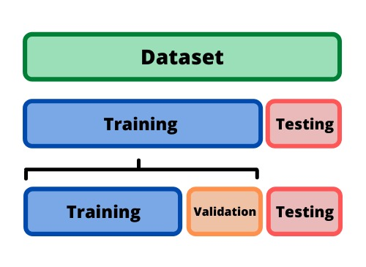 ⇰DEFINITION OF TRAIN-TEST-SPLIT →To fairly evaluate my model's performance, I don't want to evaluate it on the same data it was trained at. First we separates out the features and then it separates out the labels Further we'll separate out a training set and a test set Which Further Subdivide into 4 Components --> X train and Y train and then X test and y test the weights.

ACTUAL CODING SCREENSHOT FOR TRAIN TEST SPLIT from GOOGLE COLAB (1.2) LINEAR REGRESSION

 |  | ⇰REFERENCE (Website )--> Google Colab Linear Regression (1.2) Regarding TRAIN-TEST-SPLIT

 |  | ⇰REFERENCE (Website)--> Stackoverflow Regarding TRAIN-TEST-SPLIT

PARAMETERS FOR LINEAR REGRESSION | REFERENCE

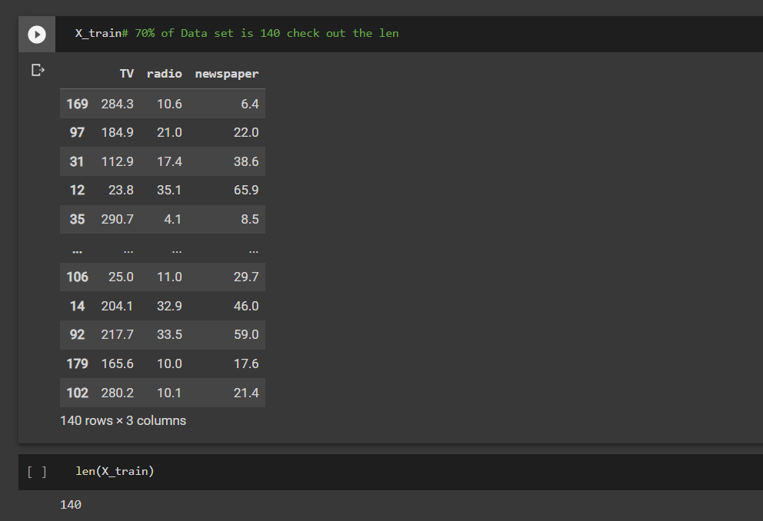 ⇰X_train→X_train Contains the Values of The Features (X1(Newspaper) ,X2(Radio) , X3(Television) This includes your all independent variables,these will be used to train the model, also as we have specified the test_size = 0.4, this means 60% of observations from your complete data will be used to train/fit the model and rest 40% will be used to test the model. | ⇰REFERENCE (Website)-> Scikit Learn Regarding TRAIN-TESTS-SPLIT

 | ⇰REFERENCE (Website)-> Stackoverflow RegardingTRAIN-TEST-SPLIT

 | ⇰REFERENCE (WEBSITE)-->Google Colab (1.2 Linear Regression) Regarding Parameter (X_train) in TRAIN-TEST-SPLIT

 ⇰X_test→This is remaining 40% portion of the independent variables [Features(X1(Newspaper) ,X2(Radio) , X3(Television)] from the data which will not be used in the training phase and will be used to make predictions to test the accuracy of the model. | ⇰REFERENCE (Website)-> Scikit Learn Regarding TRAIN-TESTS-SPLIT

 | ⇰REFERENCE (Website)-> Stackoverflow RegardingTRAIN-TEST-SPLIT

 | ⇰REFERENCE (WEBSITE)-->Google Colab (1.2 Linear Regression) Regarding Param (X_test) in TRAIN-TEST-SPLIT

 ⇰y_train→This is your dependent variable which needs to be predicted by this model, this includes category labels against your independent variables (Output =Total Sales), we need to specify our dependent variable while training/fitting the model. | ⇰REFERENCE (Website)-> Scikit Learn Regarding TRAIN-TESTS-SPLIT

 | ⇰REFERENCE (Website)-> Stackoverflow RegardingTRAIN-TEST-SPLIT

 | ⇰REFERENCE (Website) --. Google Colab 1.2 Linear Regression Regarding (Param) y_train in TRAIN -TEST-SPLIT

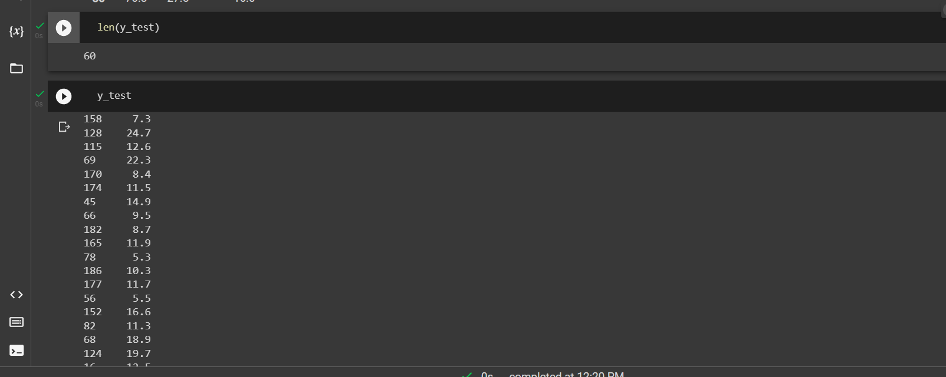 ⇰y_test→This data has category labels (Dependent Variable) (Output = Total Sales) for your test data, these labels will be used to test the accuracy between actual and predicted categories. | ⇰REFERENCE (Website)-> Scikit Learn Regarding TRAIN-TESTS-SPLIT

 | ⇰REFERENCE (Website)-> Stackoverflow Regarding TRAIN-TEST-SPLIT

 | ⇰REFERENCE (Website)-->Google Colab 1.2 Linear Regression Regarding Parameter (y_test) in TRAIN-TEST-SPLIT

 ⇰test_size→test_size is the number that defines the size of the test set. It's very similar to train_size . You should provide either train_size or test_size . If neither is given, then the default share of the dataset that will be used for testing is 0.25 , or 25 percent. Especially in This Case test_size is 0.3 or 30% of Total Data Size. | ⇰REFERENCE (Website)-> Scikit Learn Regarding TRAIN-TESTS-SPLIT

 | ⇰REFERENCE (Website)-> Real Python Regarding TRAIN-TESTS-SPLIT

 | ⇰REFERENCE (Website)--> Google Colab Linear Regression (1.2) Regarding test_size() in TRAIN-TEST-SPLIT

⇰Random_state →Random_state is used to set the seed for the random generator so that we can ensure that the results that we get can be reproduced. Because of the nature of splitting the data in train and test is randomised you would get different data assigned to the train and test data unless you can control for the random factor. ↔Example-->For example, imagine you have numbers: 1,2,3,4,5 and you want to select two random numbers. Without using a random_state you would get different things: i.e. first 2,5 then 3,4 and so on. When you control the random generator by setting the random state to 0, 1 or another number, everyone would get the same random numbers generated: i.e random_state=1 then the random numbers are 1,3 and everyone who will pick two random numbers using random_state=1 from 1,2,3,4,5 will get the same two numbers as you: 1,3. →The random state hyperparameter is used to control any such randomness involved in machine learning models to get consistent results. We can use cross-validation to mitigate the effect of randomness involved in machine learning models. →Reason For Random State Usage--> ❶. We need to make sure it's the same value if you intend to use multiple algorithms and compare their performance later on.As we learn more machine learning algorithms, we want to make sure th | ⇰REFERENCE (Website)-> Real Python Regarding TRAIN-TESTS-SPLIT

 | ⇰REFERENCE (Website)-> Scikit Learn Regarding TRAIN-TESTS-SPLIT

 | ⇰REFERENCE (Website)--> Geeks For Geeks Regarding Practical Impelentation (Coding) of TRAIN | TEST SPLIT

 | ⇰REFERENCE (Website)--> Google Colab Linear Regression (1.2) Regarding Parameter (Random_state ()) in TRAIN-TEST-SPLIT

⇰Shuffle Split→shuffle is the Boolean object (True by default) that focus on whether to shuffle the dataset before applying the split. →Reason For Random State Usage--> ❶.The other reason that we have a random state here is because what Sk learn is going to do when it calls train test split is it's actually going to shuffle the arrays first.So you'll notice here that it actually is calling a shuffle split.That's why main reason it's calling a shuffle split. ❷.If we See almost any Data set We can tell that more or less my data appears to be in no sort of sorted order.But for other data sets, it's not uncommon that when you read it in, it's actually already sorted for you. What we don't want to do is if our data set is in some sort of order or sorted is grab the first 70% of the rows for the train set and then the last 30% for the test set. Instead, we want to make sure that we shuffle everything first and then grab the 70% and 30%.That way I don't have an accidentally ordered data set and the test set happens to be all the highest sales and the training set is the lowest 70% of sales. That could be really dangerous as far as fairly evaluating and training your model. So instead we just alleviate any issues of that by shuffling the data set first. | ⇰REFERENCE (WEBSITE)-->Udemy Video Regarding Train_Test_Split

 | ⇰REFERENCE (Website)-> Real Python Regarding TRAIN-TESTS-SPLIT

 | ⇰REFERENCE (Website)-> Scikit Learn Regarding TRAIN-TESTS-SPLIT

 | ⇰REFERENCE (Website)--> Google Colab Linear Regression (1.2) Regarding Parameter (Shuffle=True , False) in TRAIN-TEST-SPLIT

LINEAR REG
LINEAR REGRESSION

Linear Regression's Hyper Parameters , Attributes & Methods

⇰Ordinary least squares Linear Regression ❶ LinearRegression fits a linear model with coefficients w = (w1, …, wp) to minimize the residual sum of squares between the observed targets in the dataset, and the targets predicted by the linear approximation. ❷In Simple Terminology Linear regression is a statistical method for modeling relationships between a dependent variable with a given set of independent variables. Note: In this article, we refer to dependent variables as responses and independent variables as features for simplicity.

⇰REFERENCE (Website)-->Geeks For Geeks Regarding Linear Regression

⇰REFERENCE (Website)-->Scikit Learn Regarding Linear Regression

⇰REFERENCE (Website)-->Google Colab Regarding 1.2 ML Linear Regression

HYPER PARAMETERS FOR LINEAR REGRESSION | REFERENCE

⇰fit_intercept :bool, default=True : ❶ Whether to calculate the intercept for this model. If set to False, no intercept will be used in calculations (i.e. data is expected to be centered). ❷Basically in Simple Terminology --> fit_intercept=False sets the y-intercept to 0. If fit_intercept=True, the y-intercept will be determined by the line of best fit. | ⇰REFERENCE(Website)->Stackoverflow Regarding Param (fit_intercept)

 | ⇰REFERENCE(Website)->Scikit Learn Regarding Param (fit_intercept)

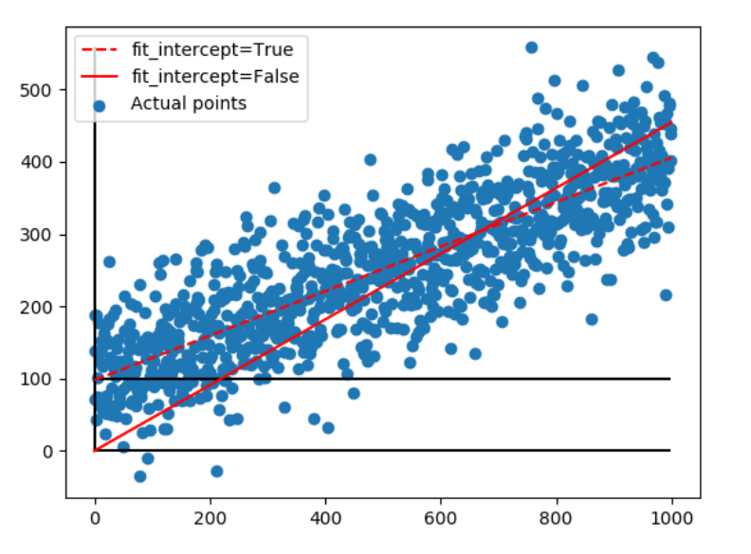
 | ⇰REFERENCE (Website)--> Stackoverflow Regarding fit_intercept=True , fit_intercept=False

 | ⇰REFERENCE (Website)--> Google Colab (1.2) Linear Regression Regarding Parameter (Fit_Intercept=True/False)

⇰copy_X:bool, default=True : ❶ If True, X will be copied; else, it may be overwritten. ❷Basically in Simple Terminology If True, X will be copied; else, it may be overwritten.The input X, when you try to fit/etc the model will, if the flag is set to true (default), be copied for use within the function. This means that the original X you passed as a parameter will be the same after the fit/etc has been performed. If you set the flag to false, there is a chance that the X you pass in will NOT be the same as it was before you ran fit/etc. ❸ Basically in Other Word The input X, when you try to fit/etc the model will, if the flag is set to true (default), be copied for use within the function. This means that the original X you passed as a parameter will be the same after the fit/etc has been performed.If you set the flag to false, there is a chance that the X you pass in will NOT be the same as it was before you ran fit/etc. Basically there will be slight chance regarding change in X Parameter. | ⇰REFERENCE(Website)->Scikit Learn Regarding Param (copy_X)

 | ⇰REFERENCE(Website)->Stackoverflow Regarding Param (copy_X)

 | ⇰REFERENCE (Website)--> Google Colab (1.2 Linear Regression) Regarding Parameter copy_X (True ,False)

⇰n_jobs:int, default=None ❶Number of CPUs to use during the cross validation. None means 1 unless in a joblib.parallel backend. ❷The maximum number of concurrently running jobs, such as the number of Python worker processes when backend=”multiprocessing” or the size of the thread-pool when backend=”threading”. If -1 all CPUs are used. If 1 is given, no parallel computing code is used at all, and the behavior amounts to a simple python for loop. This mode is not compatible with timeout. For n_jobs below -1, (n_cpus + 1 + n_jobs) are used. Thus for n_jobs = -2, all CPUs but one are used. ❸n_jobs=-1-->running with n-jobs = -1: (after adding the if __name__ == '__main__': line to my script) I see the script starting 4 processes with 10 threads each. Each process uses about 25% of the CPU (total: 100%). Seems to work as expected. ❹n_jobs=1-->running with n-jobs = 1: stays on a single process (not a surprise), with 20 threads, and also uses 100% of the CPU. | ⇰REFERENCE(Website)->Stackoverflow Regarding Param (n_jobs)

 | ⇰REFERENCE(Website)->Stackoverflow Regarding Param (n_jobs)

 | ⇰REFERENCE(Website)->Scikit Learn Regarding Param (n_jobs)

 | ⇰REFERENCE (Website)-->joblib.Parallel Regarding Parameter (n_jobs=1 ,-1 ,2)

 | ⇰REFERENCE (Website)--> Google Colab (1.2 Linear Regression) Regarding Parameter n_jobs(1,-1,2)

⇰positive:bool, default=False: ❶When set to True, It forces the coefficients to be positive. ❷What does coefficient mean in (Linear , Polynomial , Ridge, LASSO, Elastic Net) in Python? SOL--> Coefficient – also known as a parameter, is the factor a variable is multiplied by. In linear regression, a coefficient represents changes in a Response Variable (see below). Coefficient of Determination – the correlation coefficient denoted as R(Squared). Used to describe the precision or degree of fit in a regression.

 | ⇰REFERENCE(Website)->Scikit Learn Regarding Param (postive)

 | ⇰REFERENCE (Website)-->Simpl Learn Learn Regarding Meaning of Coefficient) for Param (Positive) in Linear Regression
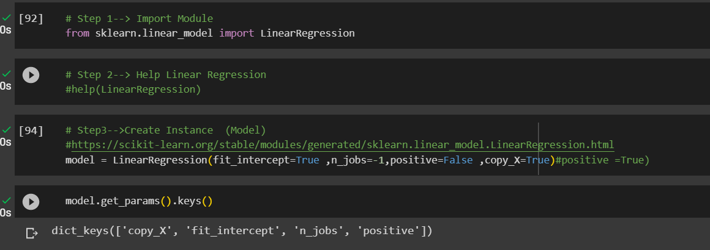

 | ⇰REFERENCE (Website)--> Google Colab (1.2 Linear Regression) Regarding Parameter Positive: bool, default=False

ATTRIBUTES FOR LINEAR REGRESSION | REFERENCE

⇰ coef_:array of shape (n_features, ) or (n_targets, n_features) ❶The coef_ gives the coefficient of the features of your dataset. ❷In (Simple Term) linear regression, coefficients are the values that multiply the predictor values. Suppose you have the following regression equation: y = 3X + 5. In this equation, +3 is the coefficient, X is the predictor, and +5 is the constant. ❸Basically Acc to me Coef_ mean Importance of Each & Every Feature (x1 ,x2,x3) or Effectiveness of particular feature on Output (y).In other word Propensity change in (x1,x2,x3) Independent Variable that makes change in y (output) (Dependent Variable). ❹ Weight vector(s) | ⇰REFERENCE(Website)->Statistics By Jim Regarding Attribute (coef_)

 | ⇰REFERENCE(Website)->MiniTab21 (Thereotical Obviously For Understanding Purpose) By Jim Regarding Attribute (coef_)

 | ⇰REFERENCE(Website)->Udemy Model Deployment & Coefficient Regarding Attribute (coef_) | ⇰REFERENCE (Website)-->1.2 Google Colab Regarding Practical Implementation of Attributes (coef_)

 | ⇰REFERENCE (Website)-->Active State Regarding Overall Information Regarding Parameters & Basics of Linear Regression

 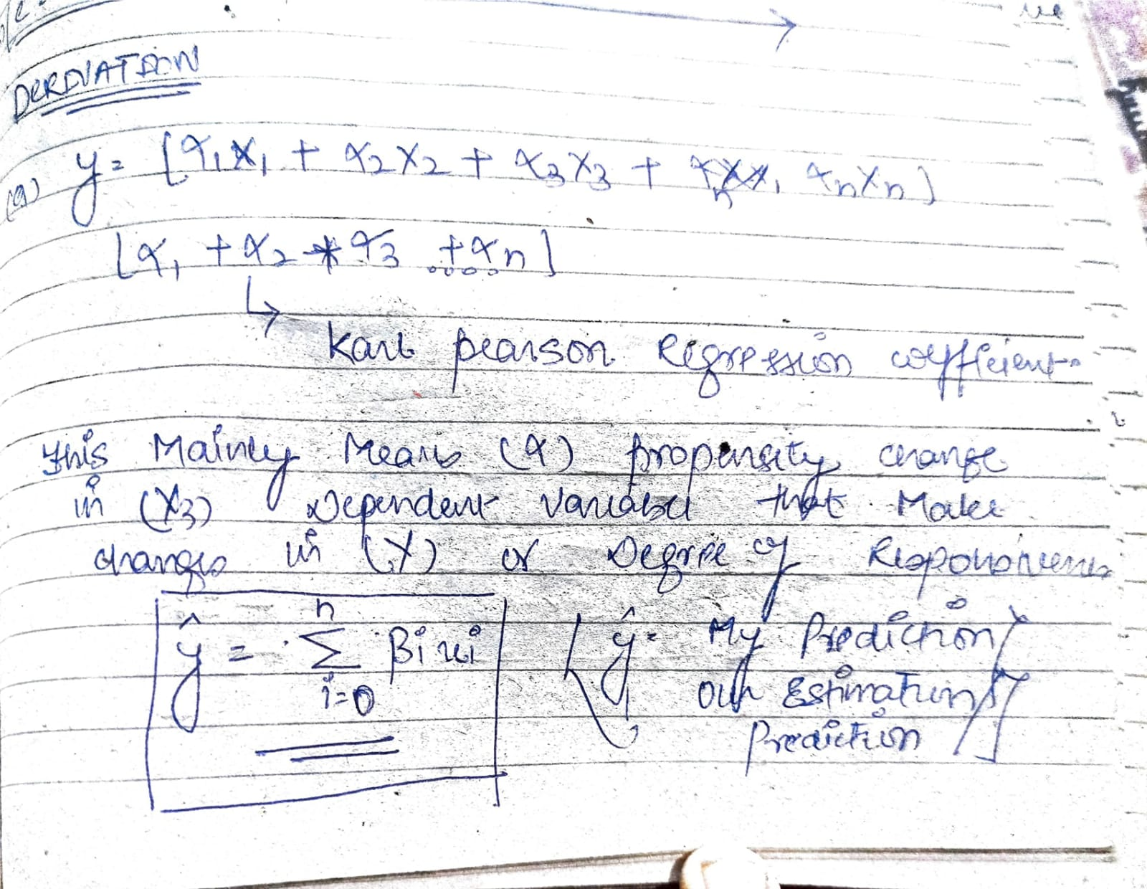 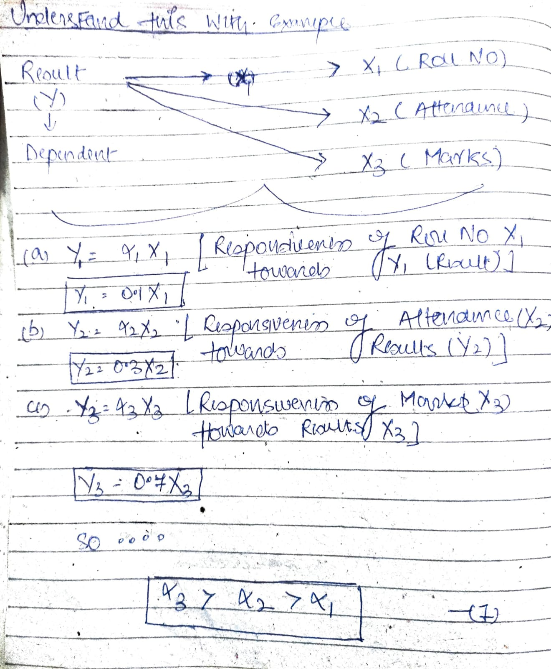

 | ⇰REFERENCE (Website)--> Google Colab (1.2 Linear Regression) Regarding Parameter model.coef_

 | ⇰REFERENCE (Website)--> ScikitLearn Regarding Parameter of Various Aspects of Attributes (Coef_) of Linear Regression

⇰rank_ : int ❶Rank of matrix X. Only available when X is dense. ❷The rank of the matrix refers to the number of linearly independent rows or columns in the matrix. ρ(A) is used to denote the rank of matrix A. A matrix is said to be of rank zero when all of its elements become zero. The rank of the matrix is the dimension of the vector space obtained by its columns. | ⇰REFERENCE(Website)->Scikit Learn Regarding Attribute(rank_)

 |  | ⇰REFERENCE (Website)-->1.2 Google Colab Linear Reegression Regarding Attributes (rank_) for Linear Regression Model | ⇰REFERENCE (Website)-->Vedantu Regarding Thereotical & Conceptual Understanding Regarding Attributes of (rank_)

 | ⇰REFERENCE (Website)-->Udemy Regarding Various Hyper Param , Attributes, Methods of Linear Regression Model

⇰intercept_: float or array of shape (n_targets) →Independent term in the linear model. Set to 0.0 if fit_intercept = False. In other word if Parameter intercept =False then Intercept =0 . First Understand What is Intercept Means ❶The Slope and Intercept are the very important concept of Linear regression. ❷ The slope indicates the steepness of a line and the intercept indicates the location where it intersects an axis. ❸If we set the Intercept as False then, no intercept will be used in calculations (e.g. data is expected to be already centered. ❹Obviously It is Giving Intercept Because we had set fit_intercept =True So this Model Giving Actual Intercept | ⇰REFERENCE(Website)->Stackoverflow Regarding Attribute(intercept_)

 | ⇰REFERENCE(Website)->The Analysis Factor Regarding Attribute(intercept_)

 | ⇰REFERENCE(Website)->Scikit Learn Regarding Attribute(intercept_)

 | ⇰REFERENCE (Website)--> Google Colab (1.2 Linear Regression) RegardingAttrinutes (intercept_)

 | ⇰REFERENCE (Excel Sheet)--> Excel Sheet ( Linear Regr) Regarding Parameter Only fit_intercept=True Then intercept_ =True Will Gonna Work & Show Intercept_ Otherwise it will be 0

⇰n_features_in_:int ❶Number of features seen during fit. In Simple Words Number of features seen during fit . Only defined if best_estimator_ is defined (see the documentation for the refit parameter for more details) and that best_estimator_ exposes feature_names_in_ when fit. ❷Basically in Simple Words Number of Feature (Independent Variable) that Given Dataset have For Example In this Given Dataset There is Only 3 Features That is [Newspaper],[Radio],[TV] | ⇰REFERENCE(Website)->Scikit ,feature_selection Regarding Attribute (feature_names_in_)

 | ⇰REFERENCE (Website)-->Scikit Learn (SLEEP) Regarding Parameter (n_features_in)

 | ⇰REFERENCE (Website)--> Google Colab (1.2 Linear Regression) Regarding Parameter n_features_in

⇰feature_names_in_:ndarray of shape (n_features_in_,) ❶Names of features seen during fit. Defined only when X has feature names that are all strings. Basically in Other Word it Defines the Names of All Features (Independent Variable) (X1 [TV] ,X2[Radio],X3[Newspaper] That are Available in the Given Dataset. | ⇰REFERENCE (Website)-->Scikit learn Regarding Parameter features_names_in

 | ⇰REFERENCE (Website)--> Google Colab (1.2 Linear Regression) Regarding Parameter features_names_in

METHODS OF LINEAR REGRESSION

 | ⇰REFERENCE (Website)--> Scikit Learn Regarding All Methods of Linear Regression Model( )

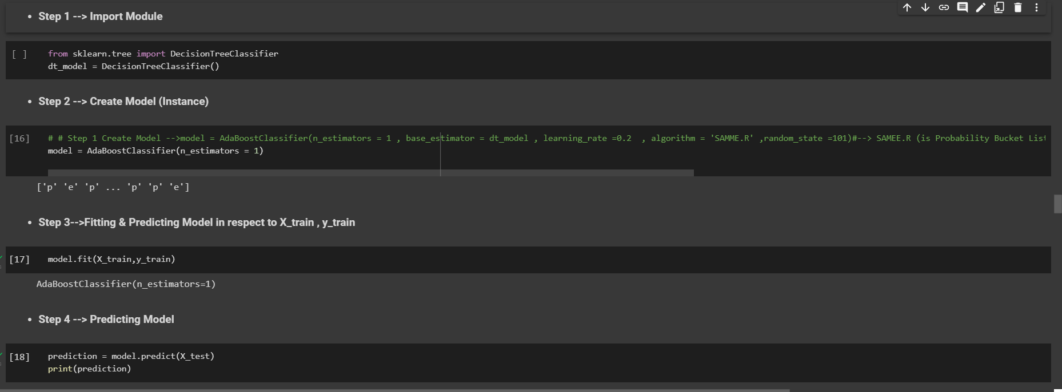 ⇰1. Meaning of estimator → ❶An estimator is an object that fits a model based on some training data and is capable of inferring some properties on new data. It can be, for instance, a classifier or a regressor. All estimators implement the fit method , Ex --> A scikit-learn model Like SVM (Model) or KNN(Model)or Gradient BoostingModel. Here is The Practical Example | ⇰REFERENCE(Excel Sheet)->Grid Search CV's Regarding Meaning of Method)

 | ⇰REFERENCE (Website)-->Scikit Learn Regarding Parameter (Estimator ) & Developing Scikit learn Estimator

⇰fit(X, y, sample_weight=None) ❶Fit linear model.(Linear models are a way of describing a response variable in terms of a linear combination of predictor variables. The response should be a continuous variable and be at least approximately normally distributed model.) | ⇰REFERENCE(Website)-->Medium Regarding fit() vs predict() vs fit_predict() in Python scikit-learn

 | ⇰REFERENCE (Website)-->Google Colab 1.2 Linear Regression Regarding Parameter Fit Method

⇰predict(X) ❶Predict using the linear model.(Linear models are a way of describing a response variable in terms of a linear combination of predictor variables. The response should be a continuous variable and be at least approximately normally distributed model.) | ⇰REFERENCE(Website)->Scikit learnRegarding Attribute (Predict)

 | ⇰REFERENCE (Website)--> (Google Colab 1.2 Linear Regression ) Regarding Parameter Predict Method

⇰get_params(deep=True) ❶Get parameters for this estimator. ❷deep:bool, default=True ,If True, will return the parameters for this estimator and contained sub objects that are estimators.Parameter names mapped to their values in dict format . ❸ In 2nd Instance we had seen that we Create get_params by using calling keys & display result in in List Format | ⇰REFERENCE(Website)->Scikit learnRegarding Attribute (get_params)

 | ⇰REFERENCE(Excel Sheet)->Grid Search CV's Regarding Method 's (get_params)

 | ⇰REFERENCE (Website)--> Scikit Learn Base Estimator Regarding get_params( ) & set_params( ).

 | ⇰REFERENCE (Website)-->Google Colab 1.2 Linear Regression Regarding Usage of Parameter get_params & with get_params.keys()

⇰set_params(params) ❶Set parameters of this estimator . ❷In simple words set_params (Setting or Readjusting any Hyper Parameter again with New Param) ,We can Perform Readjustment or Reconfiguration of any Hyper Parameter for Given Model & then Re-run the Model. | ⇰REFERENCE(Website)->Scikit learnRegarding Attribute (get_params)

 | ⇰REFERENCE(Excel Sheet)->Grid Search CV Regarding Attribute set_params

 |  | ⇰REFERENCE (Website)-->Google Colab 1.2 Linear Regression Regarding Practical & Methods (set_params) usage in Linear Regression

 | ⇰REFERENCE (Scikit Learn Regarding Base Estimator ( set_params ) & (get_params)

 |  | REFERENCE (Website)-->[Scikit Learn Regarding Metric Scoring Or Various Types of Metric Scoring
⇰score(X, y, sample_weight=None) ❶Return the coefficient (Slope) or of determination of the prediction. ❷Scorer Metric is used for the purpose for finding what kind of evaluation Criteria is used in Given Data set for the purpose of Finding Out the Error. | ⇰REFERENCE(Website)->Scikit learnRegarding Attribute (score)

 |  | ⇰REFERENCE (Excel Sheet)-->2.5 (ii) Cross Validation & Various SCORING Metrics Regarding Various Information Regards SCORING METRICS
 | ⇰REFERENCE(Excel Sheet)->2.5(ii)Grid Search CV Regarding Thereotical & Practical Implementation Regarding SCORING Metrics & It’s Conceptual Understanding

 |  | ⇰REFERENCE (Website)-->[1.5 Google Colab CROSS VALIDATION (CV) (SCORING METRICS) Regarding Practical Implementation (Coding) of SCORING METRICS

 | ⇰REFERENCE(Website)->Google Colab 2.1 Linear Regression Regarding Methods (Scoring) of Linear Regression

 | ⇰REFERENCE(Website)->Google Colab 1.6 Cross Validation Train-Test-Split & Scorers Regarding Attribute (Scoring)

 | ⇰REFERENCE (Website)-->Scikit Learn Regarding Metrics and scoring: quantifying the quality of predictions (Means Scoring Method

Residual_Plot
RESIDUAL PLOT

I. Residual Plots (Technically Use this Step Before (H) Performance Evaluation) | REFERENCE

⇰Linear regression sometimes is actually not appropriate depending on the data set.So let's explore how actually visualizing a residual plot can help us determine whether or not linear regression was appropriate for our data set. →Q. Whether Linear Regression is Applicable on Any Model it depends upon the type of data ? -->My suggestion - Before Using RMSE,MSE Or any Other Thing Pl check out the residuals (y-y(prediction)) and Formulate various chart like displot+kde , or other thing Further we will discuss in order to find out What we're going to do now is actually plot these out to make sure there's no clear pattern or line or curve within the residual plot. | ⇰REFERENCE(Website)-->1.2 Linear Regression (Google Colab) Regarding Residual Plots

 | ⇰REFERENCE(Website)-->Udemy (Residual Plot) Regarding Residual Plots

1. Residual Plot (Residual Error Vs TrueValue) -->There's no clear line or curve like we saw for the Anscombe Quartet issue data sets.Instead, this is more or less looks random sets of data. Here at 0 we draw horizontal line and you draw it at zero since a zero line would indicate a perfect fit.what we're looking for here is to make sure there is no clear line or curve that would indicate that something funky is going on with the data set underneath.And I should probably not use linear regression.This should more or less look random and hopefully it should also look distributed around zero. | ⇰REFERENCE(Website)-->Udemy Regarding Residual Plots

 | ⇰REFERENCE(Website)--> 1.2 Linear Regression Colab Regarding Residual Plots
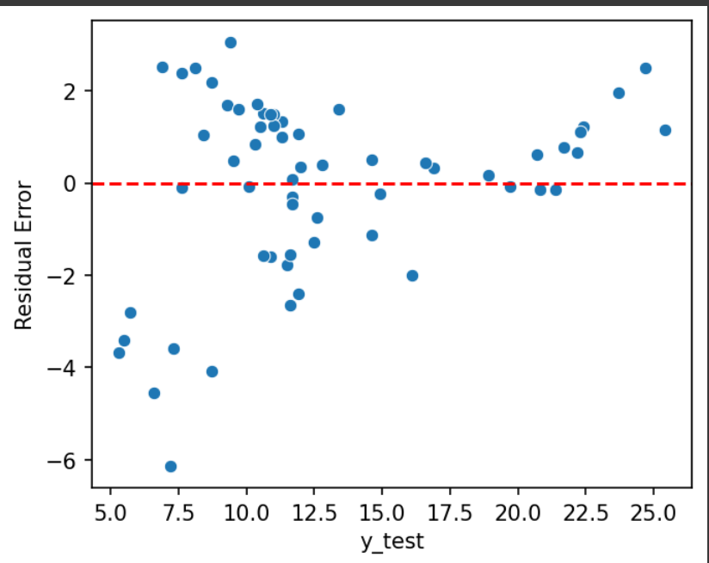

2.Data Visualisation (Displot) The Residual Error is Random & Must be Close to Normal Distribution (i) Simple Kde Plot | ⇰REFERENCE (Website)-->1.2 Linear Regression Google Colab Regarding Displot

 | ⇰REFERENCE (Website)-->Udemy (Residual Plot) Regarding Displot

(ii)Kde Plot + Histogram

INTERPRETATION -->We can see Normal Distribution of Data If I had an absolute perfect fit and I was hitting every single line, then my residuals would be very close to zero.So we hope that the residuals themselves, when distributed, are close to a mean of zero because we want them to be centered around zero, since zero indicates a perfect fit and realistically we're not going to get a perfect fit.So they start getting distributed a little bit to the negative where we overshoot and a little bit to the positive where we undershoot.

3.PROBPLOT (Scipy)

INTERPRETATION → Essentially what this is showing you is the red line is what a kind of normal distribution should look like.Obviously, when we're dealing with real data sets, our residuals are not going to be absolutely,perfectly normally distributed, but they should more or less fit along.This line where you may have trouble is towards the extremes.So if you start seeing these blue dots really diverge from this red line at either point or even in the middle, then again, you know that there's an issue with your data set because the residuals are really skewing way off a normal distribution. | ⇰REFERENCE (Website)-->1.2 Linear Regression Google Colab Regarding Prob Plot (Scipy)

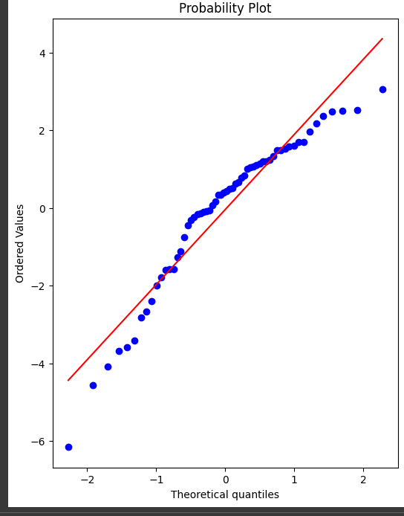 | ⇰REFERENCE (Website)-->Udemy (Residual Plot) Regarding Probplot (Scipy)

 | ⇰REFERENCE (Website)-->Scipy Regarding Probplot (Scipy)

Joblib
Model Persistence (Saving and Loading a Model) By Joblib Method

⇰REFERENCE (Website)->Scikit Learn Regarding Model Persistence (Saving & Loading of Model) By Joblib Method

⇰REFERENCE (Website)-> (1.2)Linear Regression)Google Colab Regarding Usage of Model Persistence (Saving & Loading of Model) By Joblib Method

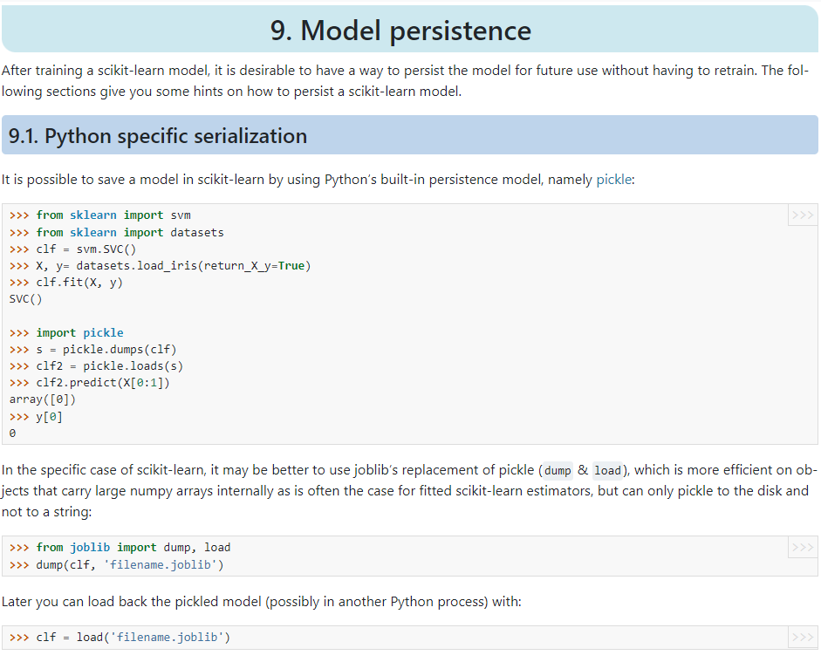

JOBLIB PYTHON LIBRARY

⇰REFERENCE (Website) --> Joblib Python Library For Overall Model deployment & it's Usage & it's Prediction for New Test Data

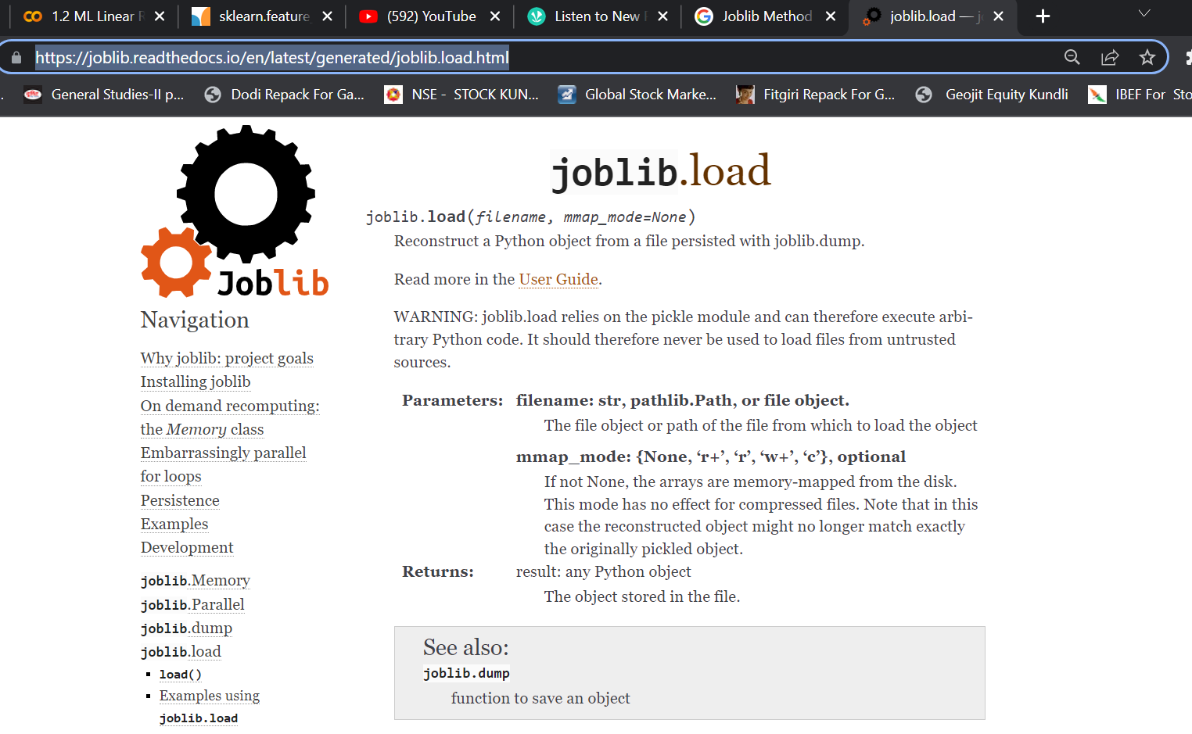 | ⇰REFERENCE (Website)-->Joblib Python Library Regarding All Parameters of Joblib

 | ⇰REFERENCE (Website)--> Joblib Python Library Regarding Parameters of Joblib.load()

 | ⇰REFERENCE (Website)--> Joblib Python Library Regarding Parameters of Joblib.Dump()

 | ⇰REFERENCE (Website)--> Joblib Python Library Regarding Parameters of Joblib.Parallel()

 | ⇰REFERENCE (Website)-->Joblib Python Library Regarding Parameters of Joblib.load()

